Arle
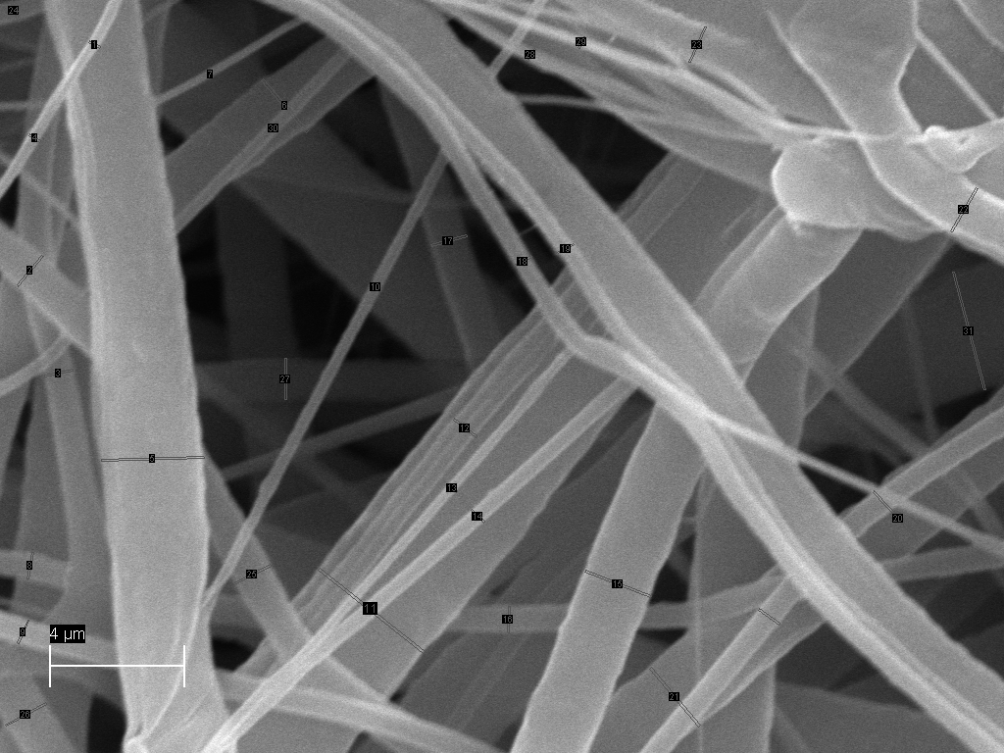
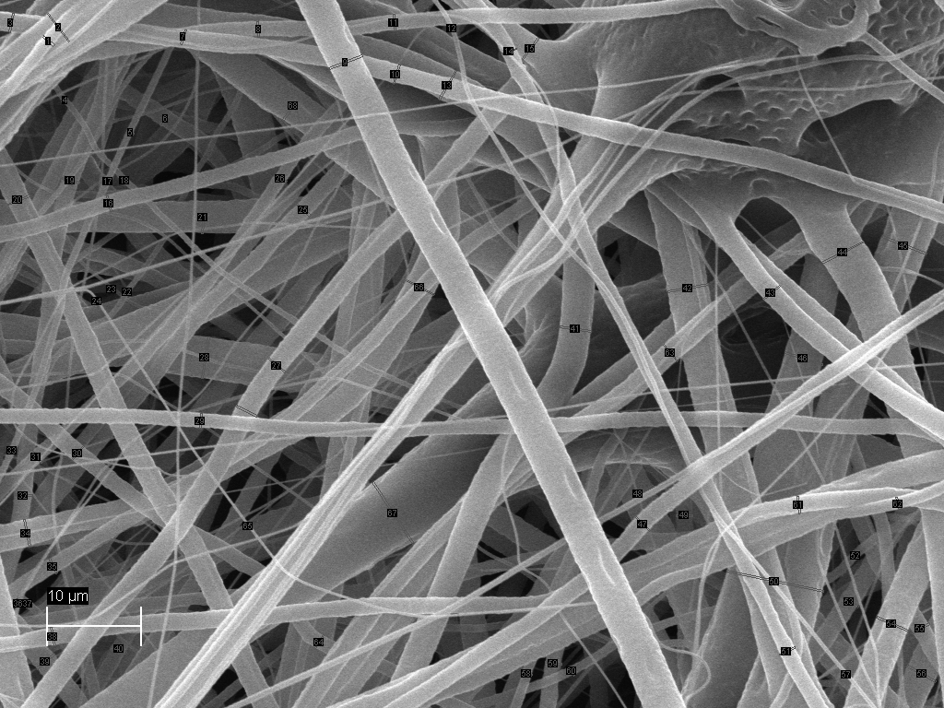
Arle | PCL PEO CAM kont 160818 x10k11 | pclpeo cam | UUS! 10PEO 4%CAM 101022 10k
DM(nm) | 4220.55 | 4904.21 | 320.16
 | 340.99 | 695.08 | 1122.30 |  |  | #DIV/0!
 | 892.28 | 203.84 | 830.17
 | 895.94 | 280.36 | 360.51
 | 1659.47 | 812.04 | 2997.86
 | 586.82 | 326.89 | 1986.07
 | 1725.17 | 669.24 | 235.02
 | 896.90 | 588.97 | 749.13
 | 1208.15 | 1013.74 | 708.21 | 4.22055 | 4.90421
 | 1228.11 | 273.47 | 355.35 | 0.34099 | 0.69508
 | 915.06 | 744.71 | 3906.08 | 0.89228 | 0.20384
 | 1784.96 | 185.29 | 826.01 | 0.89594 | 0.28036
 | 220.65 | 186.61 | 293.84 | 1.65947 | 0.81204
 | 3834.38 | 480.68 | 479.94 | 0.58682 | 0.32689
 | 270.47 | 270.74 | 2057.67 | 1.72517 | 0.66924
 | 251.58 | 223.23 | 736.71 | 0.8969 | 0.58897
 | 239.45 | 257.70 | 1061.35 | 1.20815 | 1.01374
 | 130.04 | 212.25 | 513.49 | 1.22811 | 0.27347
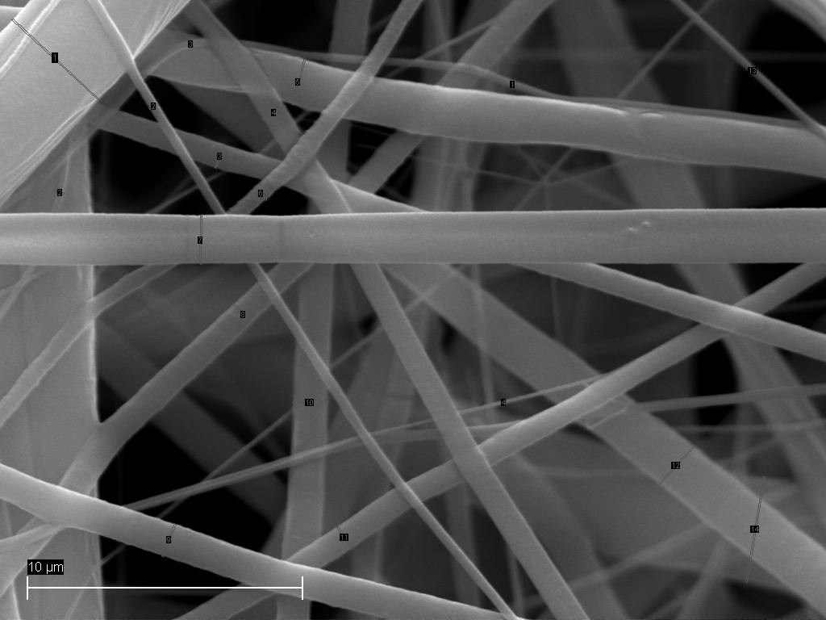
 |  | 571.67 | 500.32 | 0.91506 | 0.74471
 |  | 686.76 | 2094.46 | 1.78496 | 0.18529
 |  | 429.60 | 2192.85 | 0.22065 | 0.18661
 |  | 4023.26 | 1461.55 | 3.83438 | 0.48068
 |  | 277.55 | 1099.75 | 0.27047 | 0.27074
 |  | 3088.24 | 564.52 | 0.25158 | 0.22323
 |  | 532.41 | 1130.26 | 0.23945 | 0.2577
 |  | 210.28 | 1347.24 | 0.13004 | 0.21225
 |  | 258.04 | 1184.15 | 0 | 0.57167
 |  | 210.49 | 408.69 | 0 | 0.68676
 |  | 306.43 | 326.27 | 0 | 0.4296
 |  | 793.61 | 371.39 | 0 | 4.02326
 |  | 642.20 | 3551.52 | 0 | 0.27755
 |  | 726.09 |  | 0 | 3.08824
 |  | 2940.30 |  | 0 | 0.53241
 |  |  |  | 0 | 0.21028
 |  |  |  | 0 | 0.25804
 |  |  |  | 0 | 0.21049
 |  |  |  | 0 | 0.30643
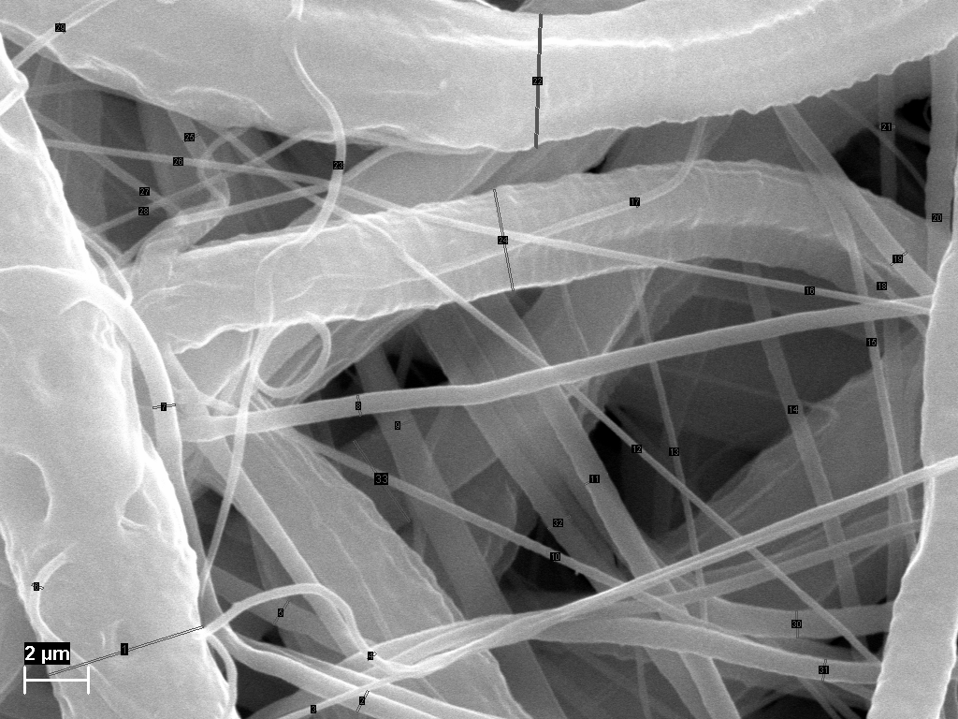
 |  |  |  | 0 | 0.79361
 |  |  |  | 0 | 0.6422
 |  |  |  | 0 | 0.72609
 |  |  |  | 0 | 2.9403
 |  |  |  | 0 | 0

